Calculator
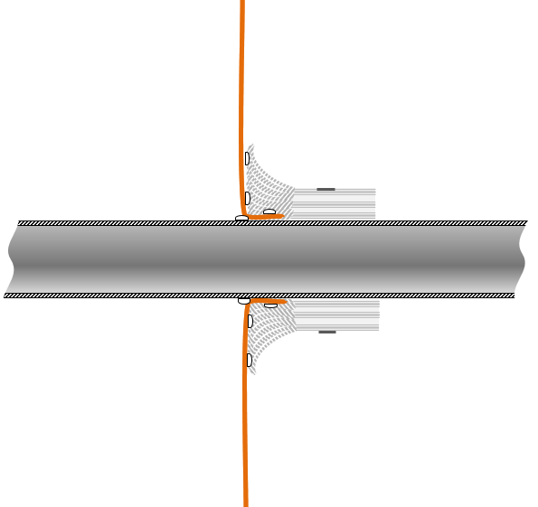
 |  | BRUSHSEAL CALCULATOR
USING THE CALCULATOR: Determine the type of barrier and the shape of service involved. To calculate the length of BRUSHSEAL required enter the dimension(s) in the appropriate dark brown/dark blue cells - including the oversleeve if applicable.
Fixing Brushseal with HT Adhesive to Firehalt SF120

Installation Detail A.
Penetration Management for Fire Barriers with INTEGRITY Values Only
CIRCULAR PENETRATION | LENGTH (m) TO COMPLETE 2 WRAPS ONE SIDE OF A BARRIER |  |  |  | RECTANGULAR PENETRATION
Ø (mm) |  |  |  |  | Width (mm) | Depth (mm)
0 | → | 0.00 | 0.00 | ← | 0 | 0
Enter Diameter | Results |  |  |  | Enter Width | Enter Depth

Fixing Brushseal with HTAdhesive to Firehalt Ultralite 60:15

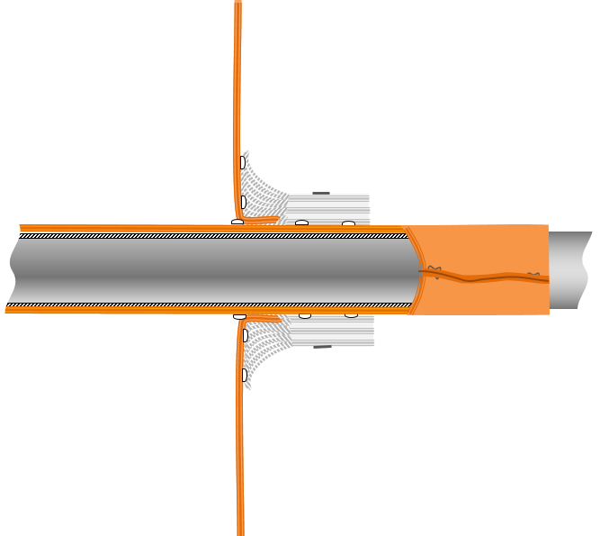
CIRCULAR PENETRATION + oversleeve where applicable | LENGTH (m) TO COMPLETE 3 WRAPS ONE SIDE OF A BARRIER |  |  |  | RECTANGULAR PENETRATION + oversleeve where applicable
Ø (mm) |  |  |  |  | Width (mm) | Depth (mm)
0 | → | 0.00 | 0.00 | ← | 0 | 0
Installation Detail B.
Penetration Management for Fire Barriers with both INSULATION and INTEGRITY Values.
Enter Diameter | Results |  |  |  | Enter Width | Enter Depth

Fixing Brushseal with HT Adhesive to Firehalt 30:30, 60:30 and 120:30

600mm oversleeve of barrier wrapped around the service 300mm both sides of the vertical barrier
CIRCULAR PENETRATION + oversleeve where applicable | LENGTH (m) TO COMPLETE 4 WRAPS ONE SIDE OF A BARRIER |  |  |  | RECTANGULAR PENETRATION + oversleeve where applicable
Ø (mm) |  |  |  |  | Width (mm) | Depth (mm)
0 | → | 0.00 | 0.00 | ← | 0 | 0
Enter Diameter | Results |  |  |  | Enter Width | Enter Depth

